Grafico Markov - MTTF
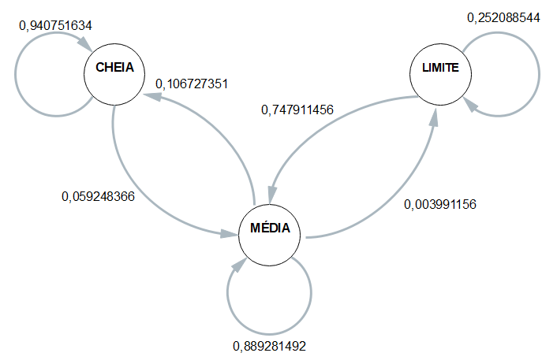
 | 1 | 2 | 3 | 4 | MÉDIA
CC | 0.95555555556 | 0.92941176471 | 0.94666666667 | 0.93137254902 | 0.94075163399
CM | 0.044444444444 | 0.070588235294 | 0.053333333333 | 0.06862745098 | 0.059248366013
CB | 0 | 0 | 0 | 0 | 0

MC | 0.15142428786 | 0.086722947045 | 0.086988847584 | 0.10177332305 | 0.10672735138
MM | 0.84632683658 | 0.907904835 | 0.9092936803 | 0.89360061681 | 0.88928149217
MB | 0.0022488755622 | 0.0053722179586 | 0.003717472119 | 0.0046260601388 | 0.0039911564446

BC | 0 | 0 | 0 | 0 | 0
BM | 0.8 | 0.70930232558 | 0.78571428571 | 0.69662921348 | 0.74791145619
BB | 0.2 | 0.29069767442 | 0.21428571429 | 0.30337078652 | 0.25208854381

 | Esp1 | Esp2 | Esp3 | Esp4 |  | média
Hora Inicial | 10:31:05 | 10:35:27 | 10:40:45 | 10:47:13 |  | 10:38:38
Hora Limite 2,8 | 12:17:48 | 12:19:28 | 12:27:10 | 12:32:04 |  | 12:24:08
Hora Final | 12:23:26 | 12:25:55 | 12:32:25 | 12:38:44 | MTTF | 12:30:08
total de horas até 2,8 | 1:46:43 | 1:44:01 | 1:46:25 | 1:44:51 | 1:45:30 | 1:45:30

